Bus matrix
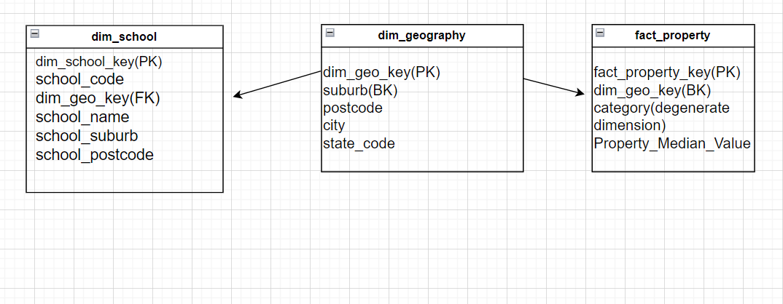
 | Descriptive info
Entity | location(PMV file,suburb file,school file) | Date(PMV file,school file) | school
Property Median Value | x | x

